Maps
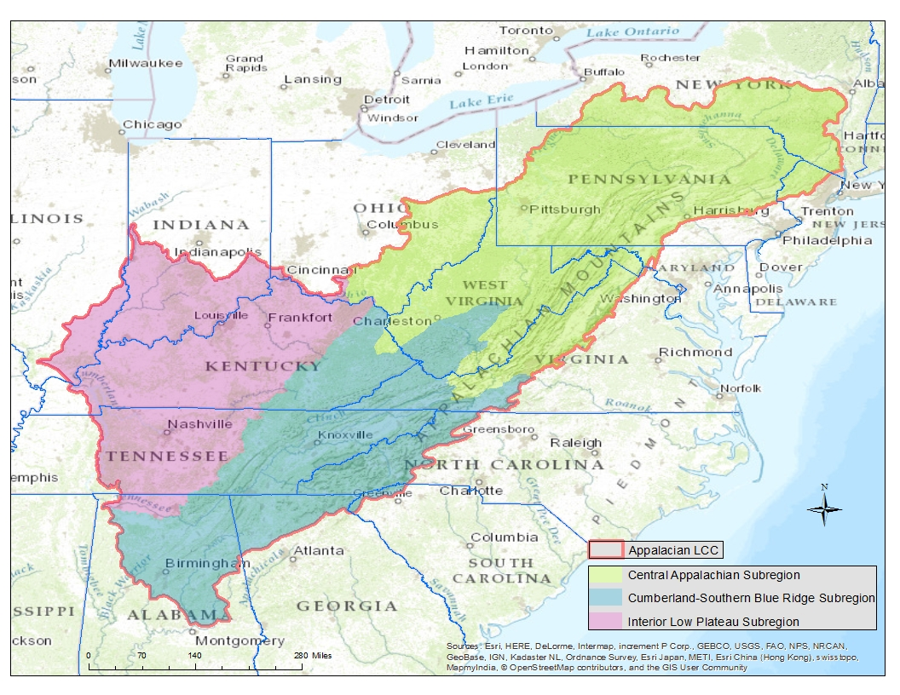

 |  | Assessment area used in Southern Appalachian and Interior Low Plateau regions by Bruno et al. (2012)

Three subregions of the Appalachian LCC where additional species were assessed by Sneddon et al. (2015)

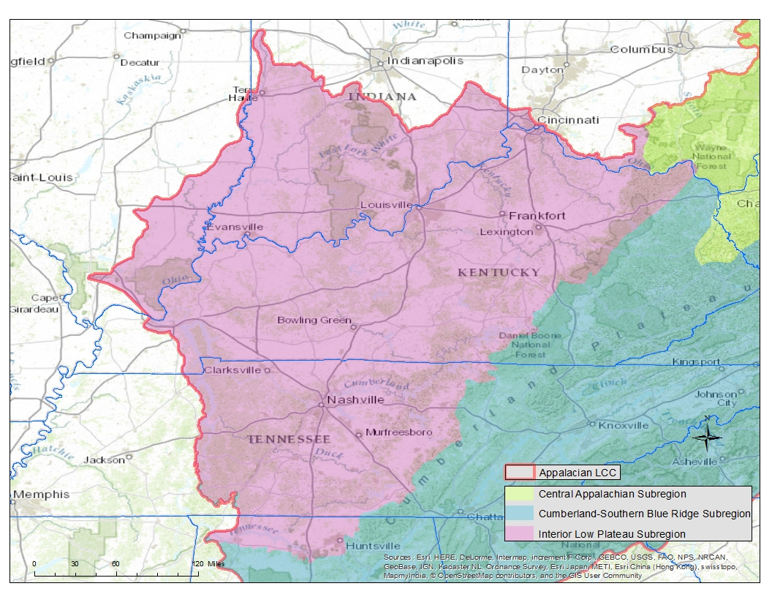

 | Detail of Interior Low Plateau Subregion

