Maps
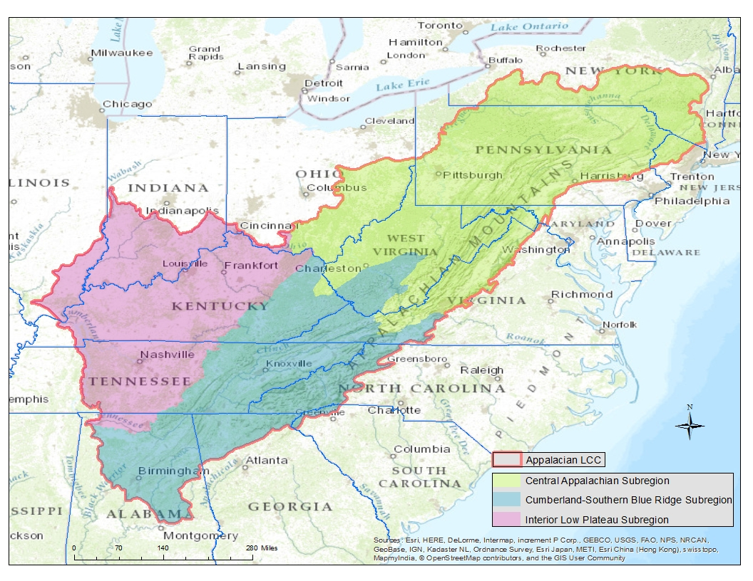

 | Southern Appalachian study are used by A. Carroll (2011) (in red); Research subregion (in blue)

Three subregions of the Appalachian LCC where additional species were assessed by Sneddon et al. (2015)

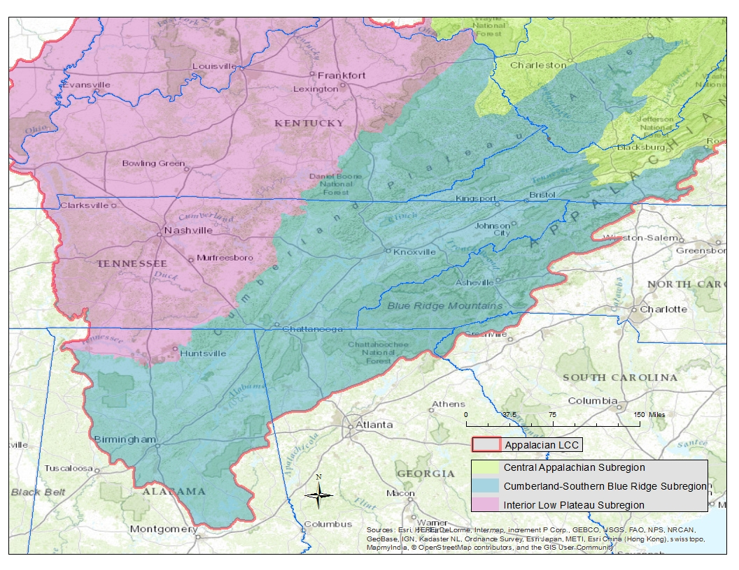

 | Assessment area used in Southern Appalachian and Interior Low Plateau regions by Bruno et al. (2012)

Detail of Cumberland - Southern Blue Ridge Subregion

